SetUp
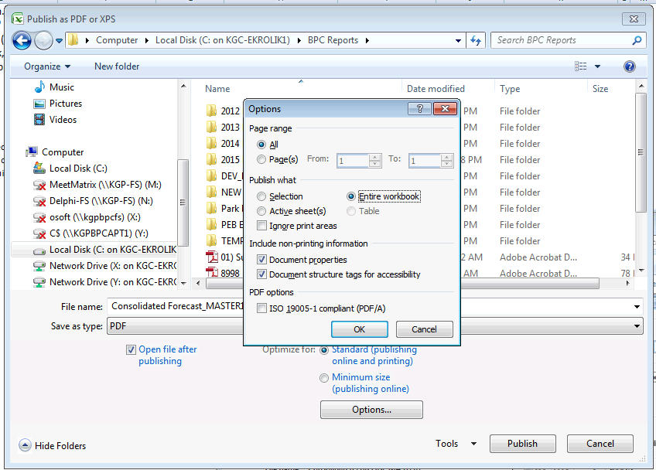
Double-click shaded cells to make selection |  |  |  |  |  |  |  |  |  | Double-click shaded cells to make selection

 | Monthly Data Columns | CURRENT | <=== Select Category | Comparison 1 Column | BUDGET | <=== Select Category | Comparison 2 Column | ACTUAL_CON | <=== Select Category |  | Trailing 12 Option | 2014.DEC
 |  | 2024.TOTAL | <=== Select Time (Year) |  | 2024.TOTAL | <=== Select Time (Year) |  | 2023.TOTAL | <=== Select Time (Year) | 1. Check the box
 | Use ALT as BUD or FCST | FCST | <=== Select ALT Use |  |  |  |  |  |  | 2. Select ending month of the trailing 12 period
 |  |  |  |  |  |  |  |  |  | 3. Expand All
 | All Data Columns | LC | <=== Select Report Currency

 | Expand All | << Double Click

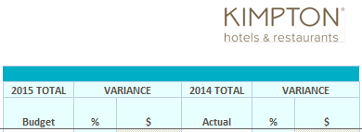

 |  |  | Monthly Data Columns |  |  |  | Comparison 1 Column |  | Comparison 2 Column

Instructions: |  |  |  |  |  |  | Category Glossary
1. Select Business Unit from Current View Action Pane |  |  |  |  |  |  | ACTUAL_CON - Actual |  | Rollup of ACTUAL+HISTORY
2. Select Currency from Current View Action Pane: LC for Local Currency, or USD to convert foreign currency BU's to USD |  |  |  |  |  |  | ACTUAL - Actual |  | Actual from JDE
3. Select Category and Time from selection grid above |  |  |  |  |  |  | HISTORY - GL History- Pre_Kimpton |  | Pre Kimpton History from JDE
 | a. The category and time for each set of data columns are independent and driven by user selection |  |  |  |  |  | BUDGET - Budget |  | Final Budgets (Read only)
 | b. The default selection will always be CURRENT, (current year), BUDGET (current year) and ACTUAL (prior year) |  |  |  |  |  | CURRENT - Forecast |  | Forecast (user input)
 | c. Double-click the blue shaded cells to see the various data choices and comparisons |  |  |  |  |  | BUD_PROOF - Budget Proof |  | Working Budgets (user input)
 | i. When choosing an ALT scenario, it must be defined as BUD or FCST purposes in cell D8 |  |  |  |  |  | JANFORECAST - JANUARY FORECAST |  | Forecast Snap (Jan - Dec Forecast, no Actual)
 | e. See Category Glossary for additional information |  |  |  |  |  | FEBFORECAST - FEBRUARY FORECAST |  | Forecast Snap (Feb - Dec Forecast + Jan Actual)
4. After making data selections you must "Expand All" to pull in data |  |  |  |  |  |  | MARFORECAST - MARCH FORECAST |  | Forecast Snap (Mar - Dec Forecast + Actual through Feb)
 | a. You may double click the 'Expand All' cell or use (click) 'Expand All' from the Excel Planning & Consolidation tab |  |  |  |  |  | APRFORECAST - APRIL FORECAST |  | Forecast Snap (Apr - Dec Forecast + Actual through Mar)
 | b. To expand/update a single tab, right mouse click, select EVDRE: Expand & Refresh > Active Sheet |  |  |  |  |  | MAYFORECAST - MAY FORECAST |  | Forecast Snap (May - Dec Forecast + Actual through Apr)
5. You may delete Tabs that are not needed for your property, but be sure no data exists before deleting tabs |  |  |  |  |  |  | JUNFORECAST - JUNE FORECAST |  | Forecast Snap (Jun - Dec Forecast + Actual through May)
6. Click the "+" button above Column N to reveal GL Account numbers |  |  |  |  |  |  | JULFORECAST - JULY FORECAST |  | Forecast Snap (Jul - Dec Forecast + Actual through Jun)
 |  |  |  |  |  |  | AUGFORECAST - AUGUST FORECAST |  | Forecast Snap (Aug - Dec Forecast + Actual through Jul)
Print to PDF Instructions: |  |  |  |  |  |  | SEPFORECAST - SEPTEMBER FORECAST |  | Forecast Snap (Sep - Dec Forecast + Actual through Aug)
> No longer do we use BPC's ePublish tool for this report |  |  |  |  |  |  | OCTFORECAST - OCTOBER FORECAST |  | Forecast Snap (Oct - Dec Forecast + Actual through Sep)
1. Click Excel Office Button, upper left corner |  |  |  |  |  |  | NOVFORECAST - NOVEMBER FORECAST |  | Forecast Snap (Nov - Dec Forecast + Actual through Oct)
2. Select Save As > "PDF or XPS" |  |  |  |  |  |  | DECFORECAST - DECEMBER FORECAST |  | Forecast Snap (Dec Forecast + Actual through Nov)
3. Select local disk and folder where you want file saved. Ensure Save As Type is "PDF" |  |  |  |  |  |  | BUDSNAP - Forecast Snapshot |  | Forecast Snap captured for budget comparisons
4. Set options as shown in screen shot. (recommended options) |  |  |  |  |  |  | ALT1 - Scenario 1 |  | Alternate Scenario for budget/forecast
5. Select Options button. You can change options to suit your needs. |  |  |  |  |  |  | ALT2 - Scenario 2 |  | Alternate Scenario for budget/forecast
 | a. Page Range: All |  |  |  |  |  | ALT3 - Scenario 3 |  | Alternate Scenario for budget/forecast
 | b. Publish what: Entire workbook (to publish all tabs) |  |  |  |  |  | ALT4 - Scenario 4 |  | Alternate Scenario for budget/forecast
 | OR Active Sheets (to publish sheets you have selected)
 | c. Leave remaining default selections
6. Click "OK"
7. Click "Publish". PDF will be created in the location you specified

